5470710000000954
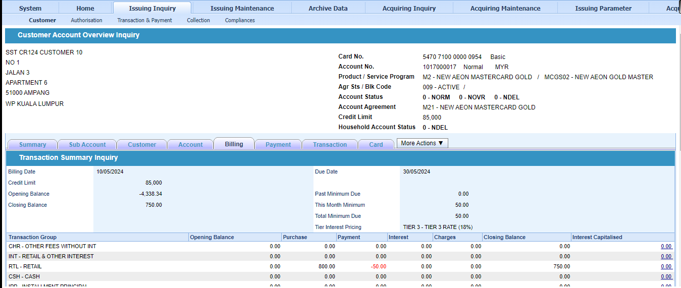
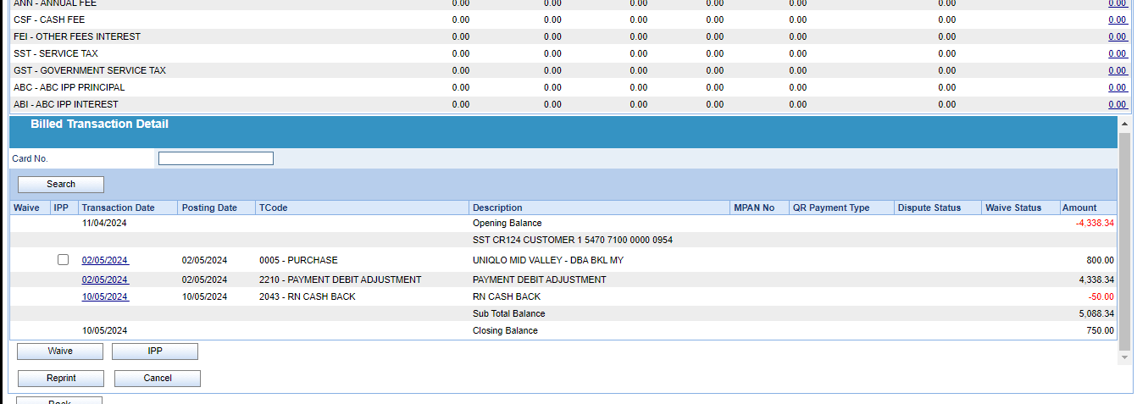
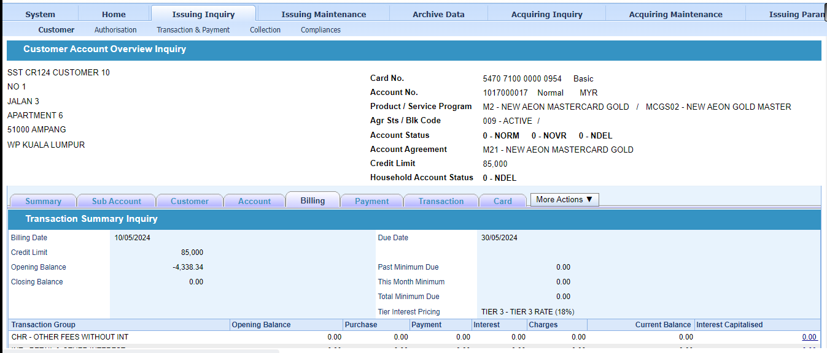

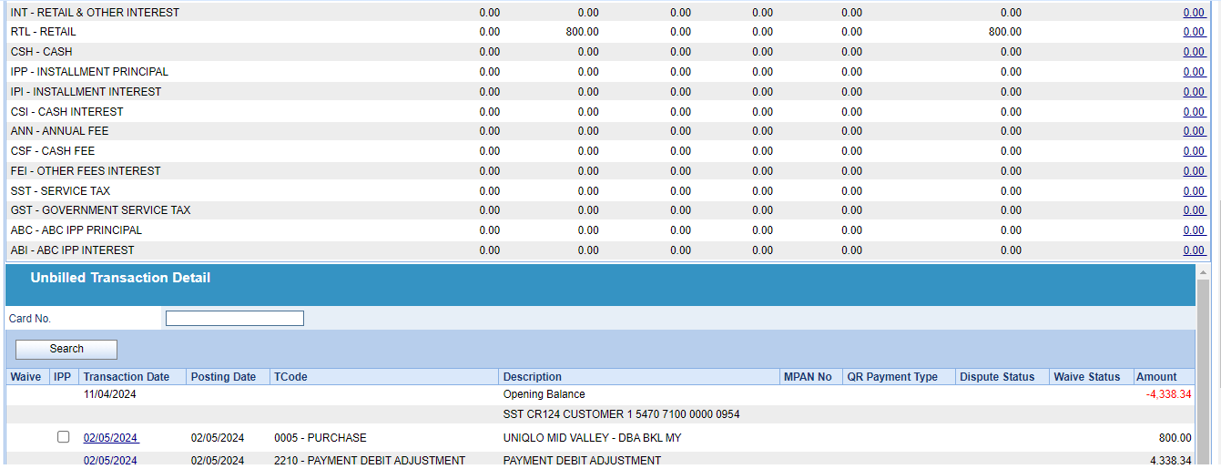

After run 10/5/2024 stmt run
Min due - 750 x 5% = 37.50 ~ min 50.00

4726980100000270
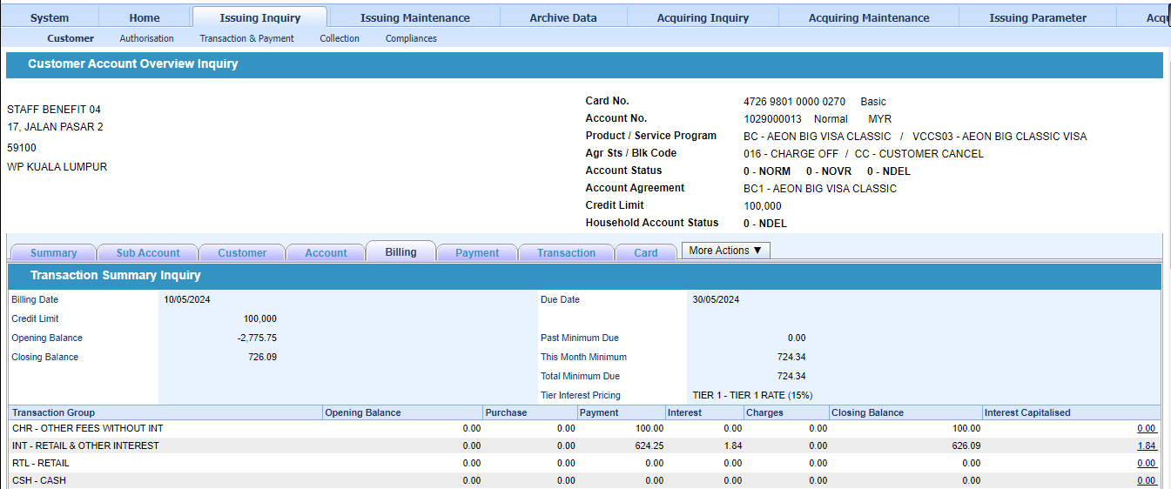
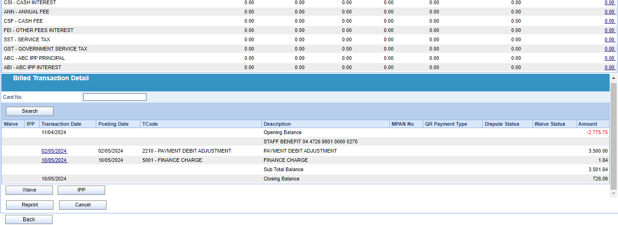
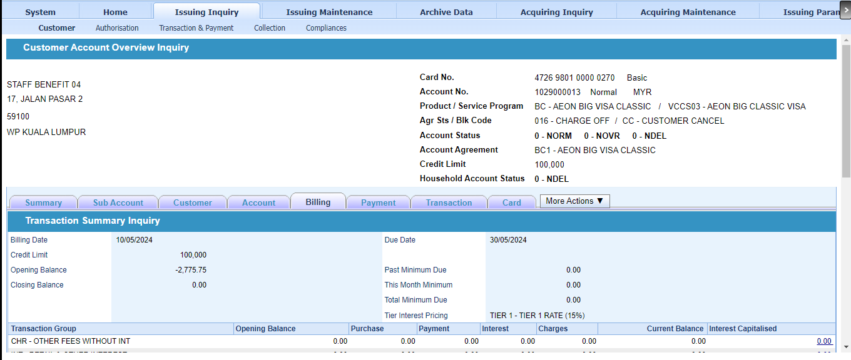

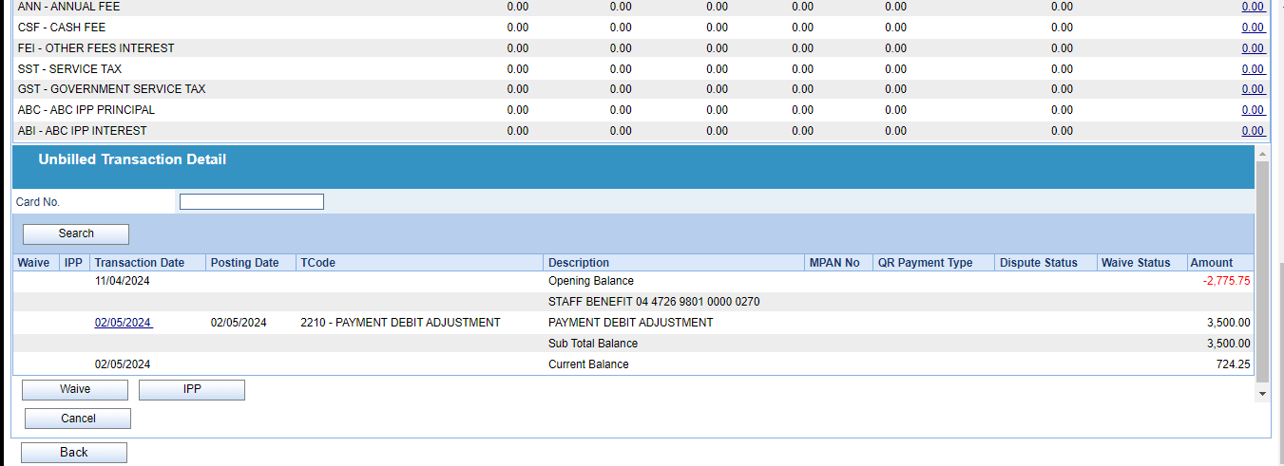

After run 10/5 stmt eod
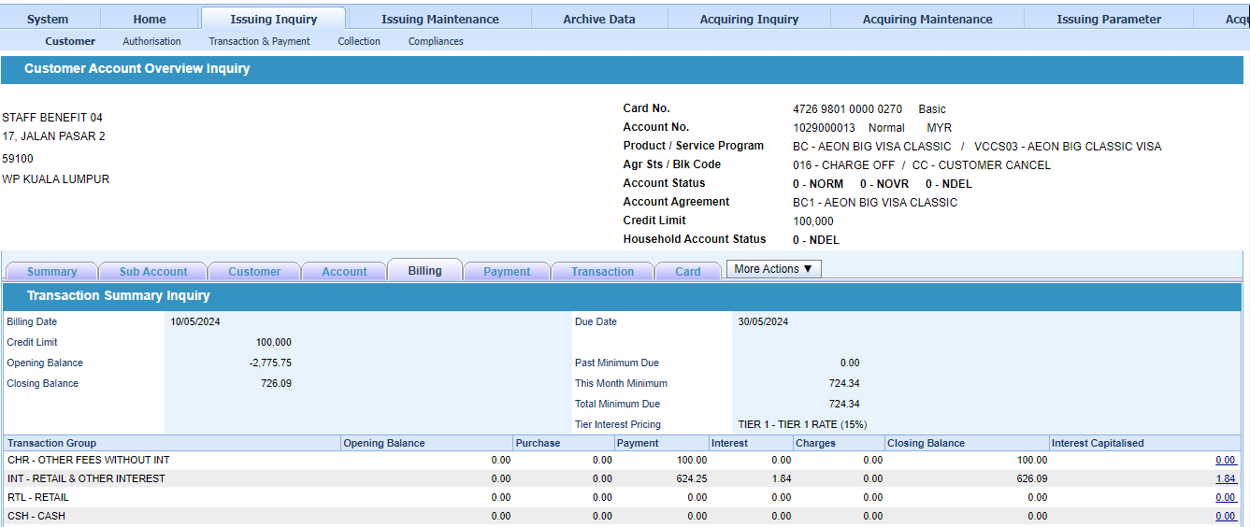

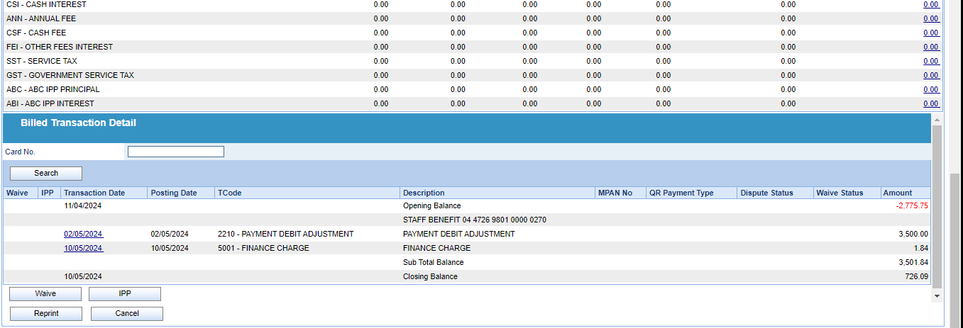

After run 10/5 stmt eod
Min due = 1.84 x 5% = 0.09 + (3500.00 - (2775.75) = 724.25 = 724.34

4377040300000489
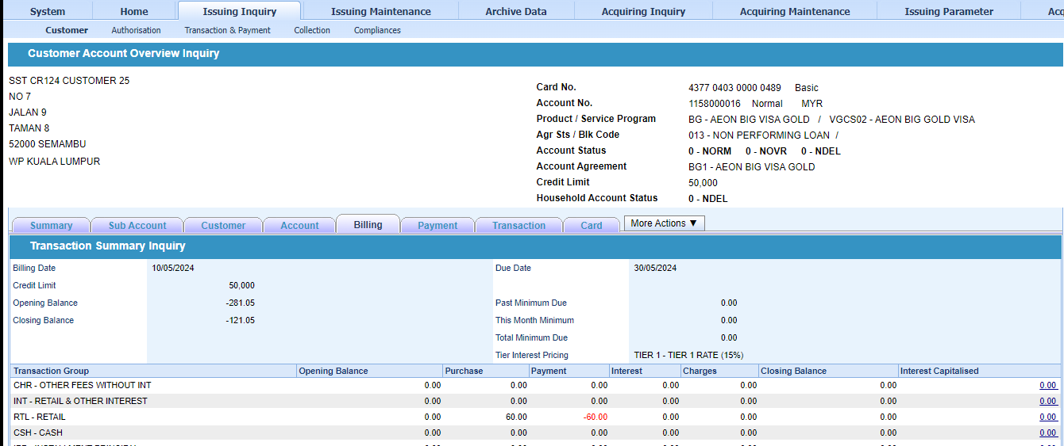
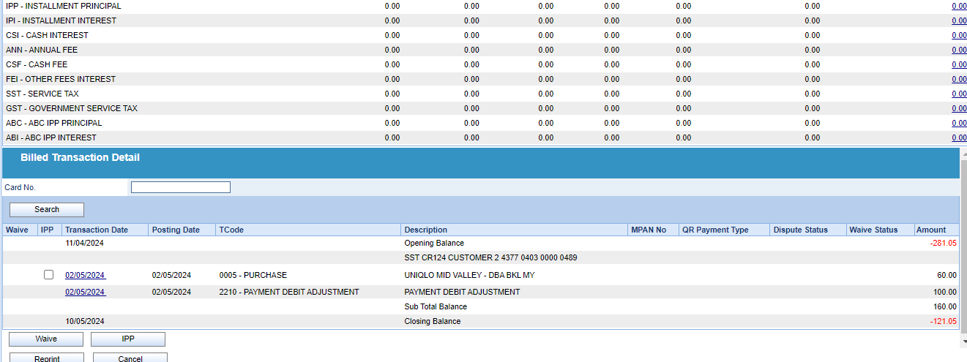
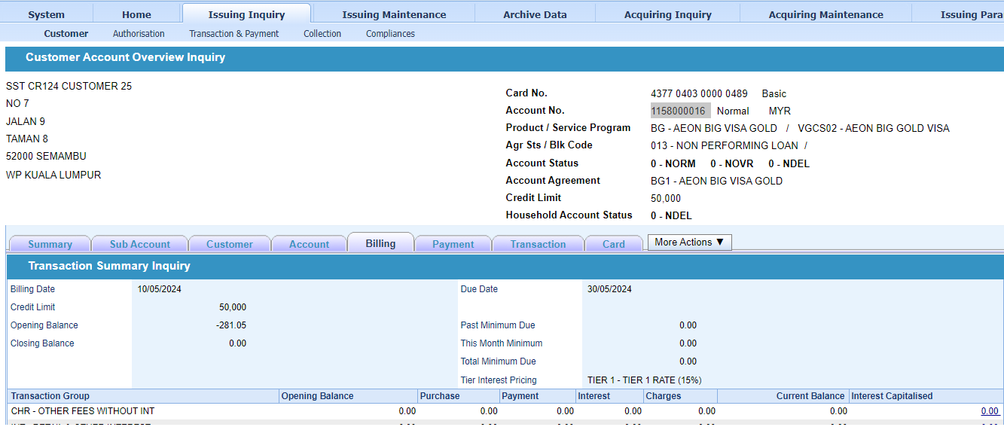

After 10/5 stmt eod
Min due = 0

5470710000001291
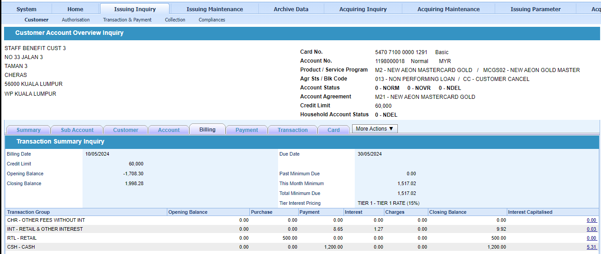
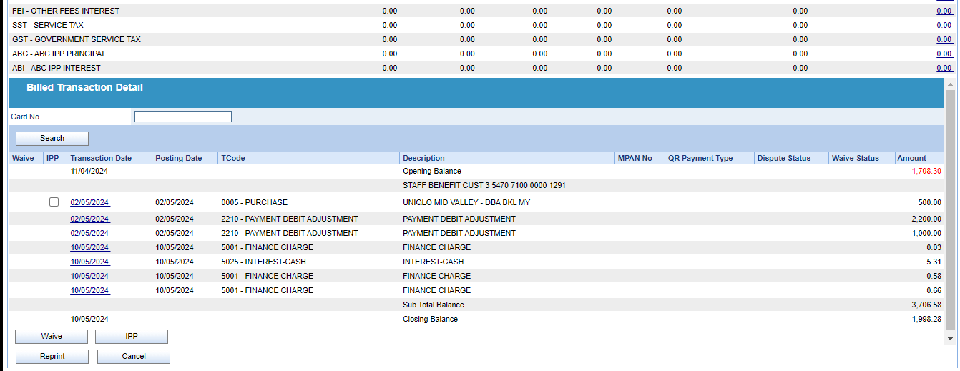
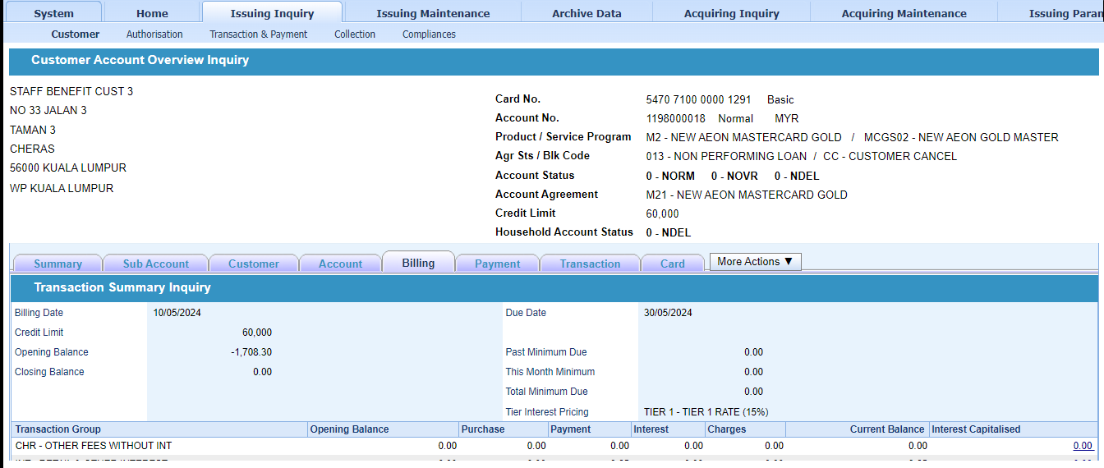

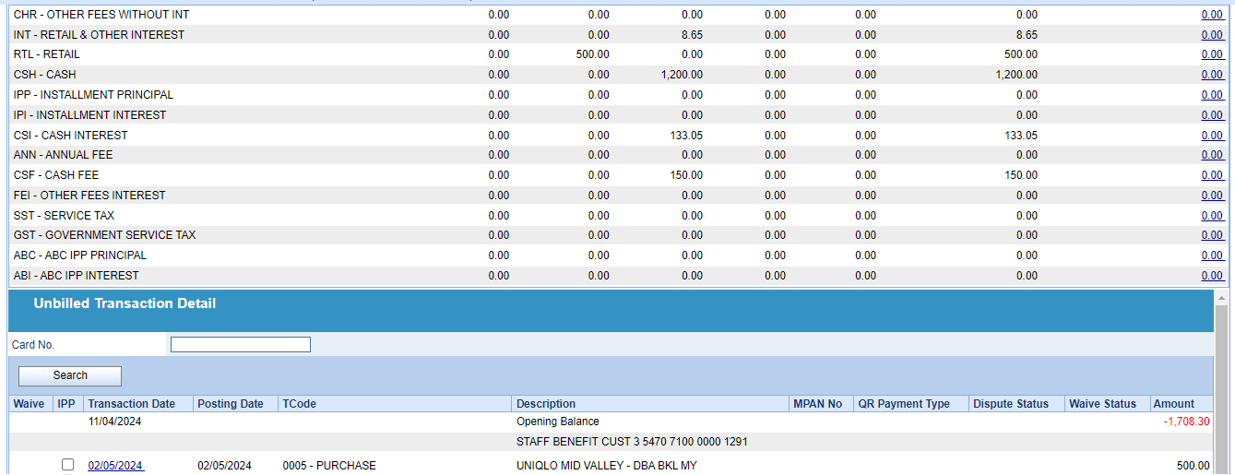

After 10/5 stmt eod
5% of(stmt balance - net debit adjustment) + net debit adjustment
Net debit adjustment = Total debit payment + last month credit balance
Min due = 5% x (1998.28-1491.70) = 25.32 + 1491.70 = 1517.02
Net debit adjustment = 3200+(-1708.30) = 1491.70

4726980200000527
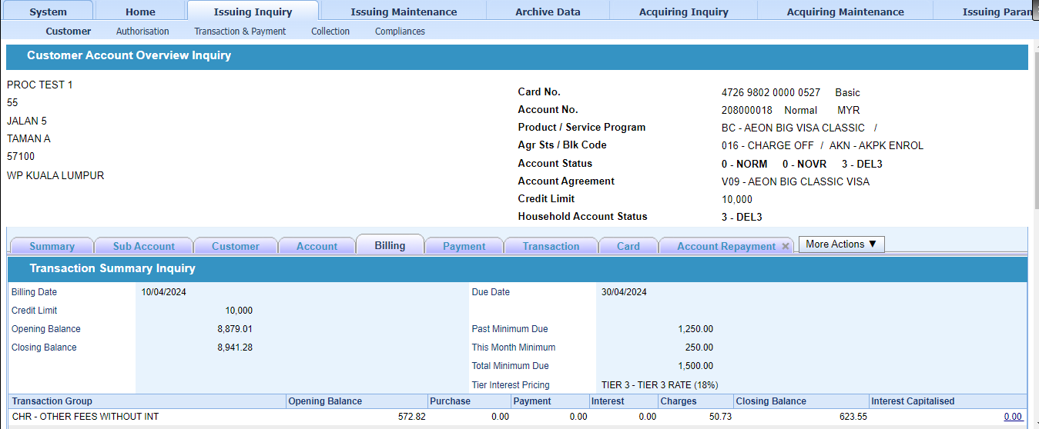

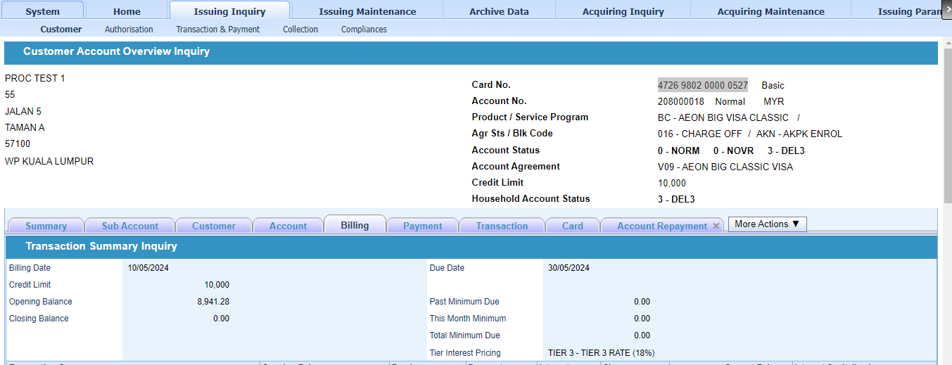

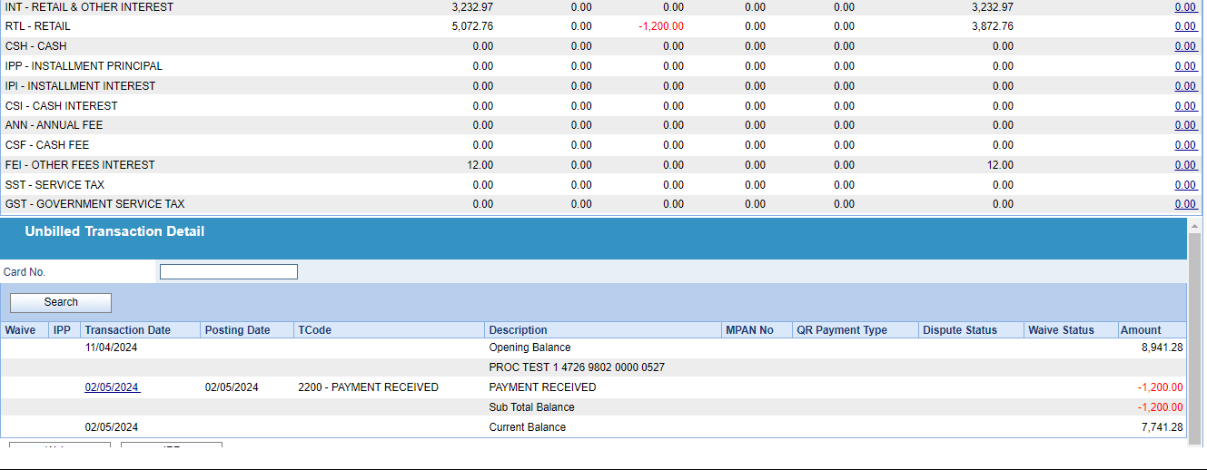

after 10/5 stmt eod
Min due = 250.00 + past due 300 = 550.00 (customer under AKPK payment)
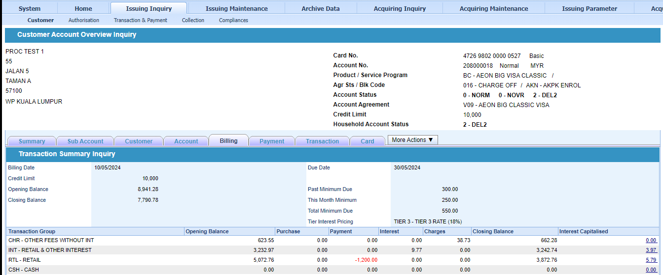

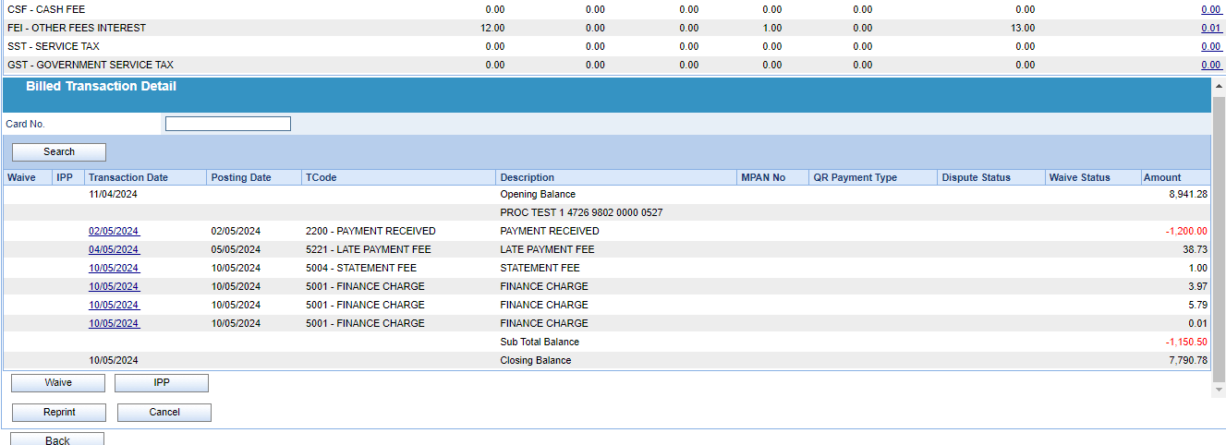

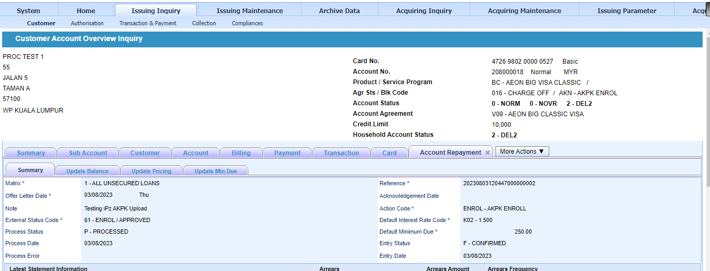

 | After 10/5 stmt eod
 | 5% of(stmt balance - net debit adjustment) + net debit adjustment
 | Net debit adjustment = Total debit payment + last month credit balance

4720700100000369

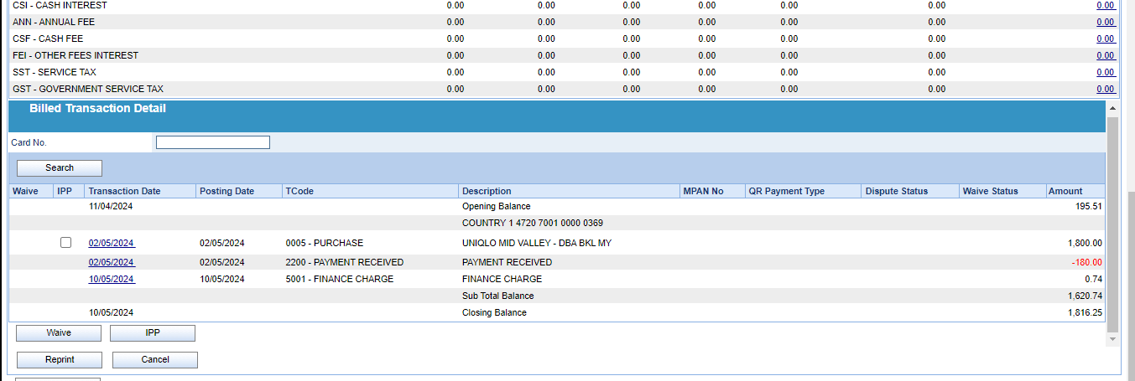
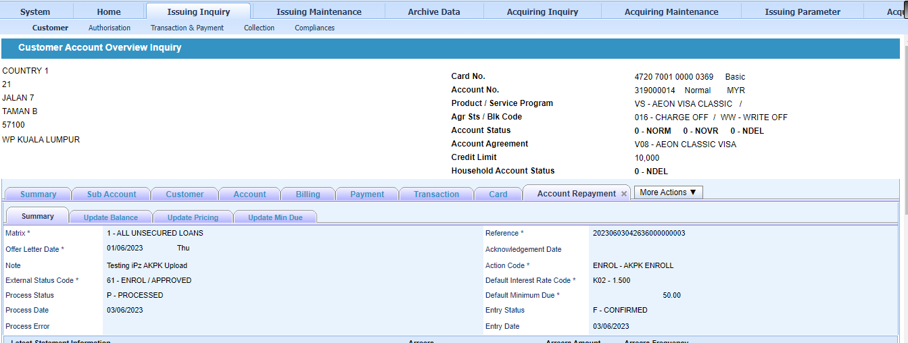
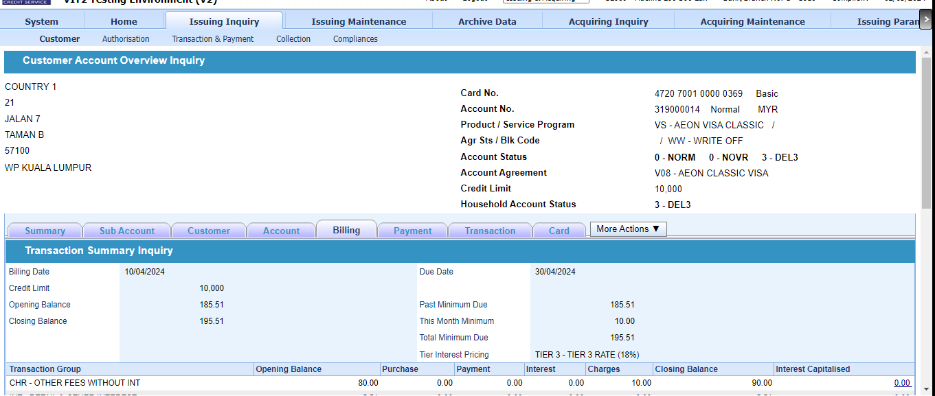

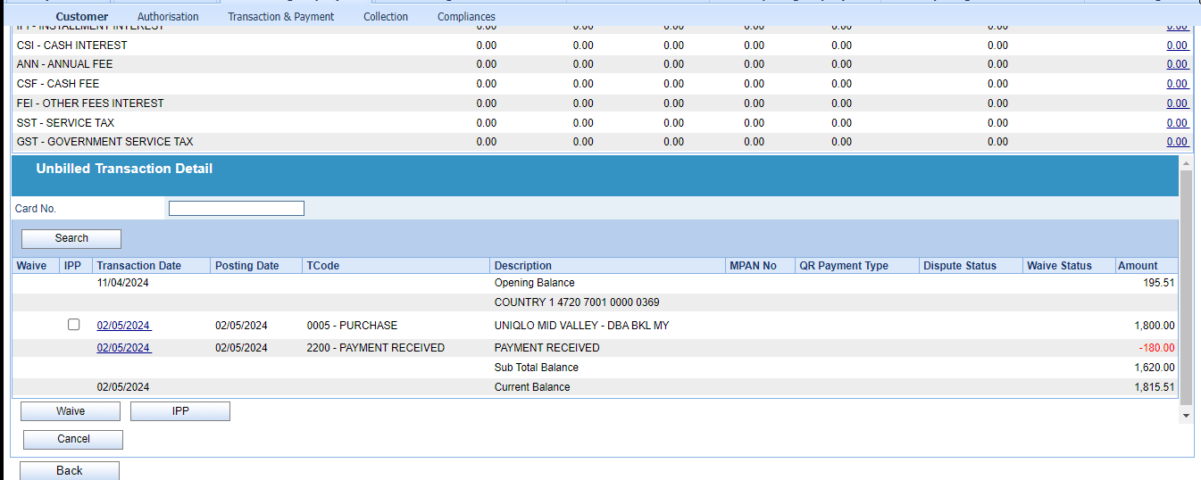

After 10/5 stmt eod
Result - Min due is 50 becoz customer is under AKPK payment

4377040300000174
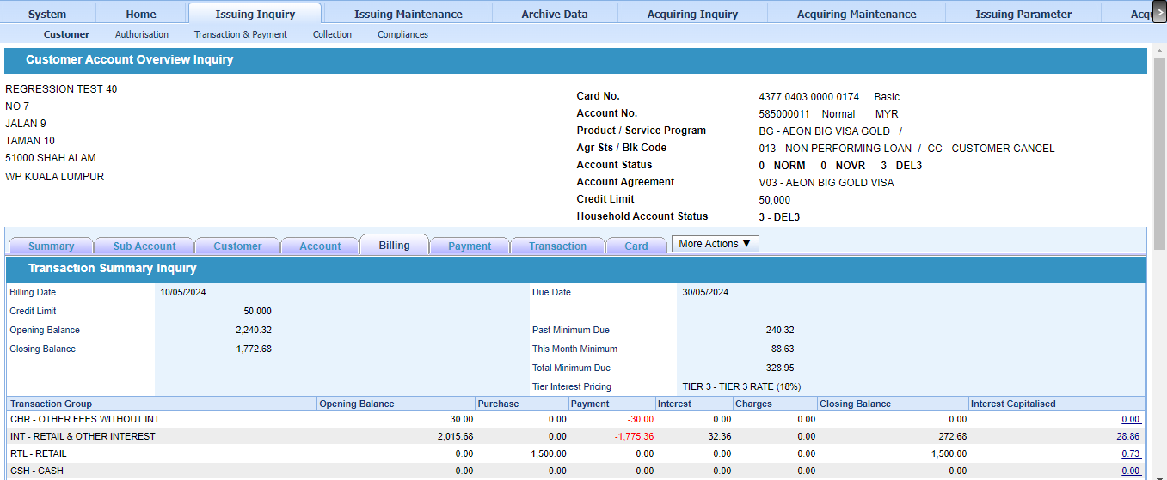
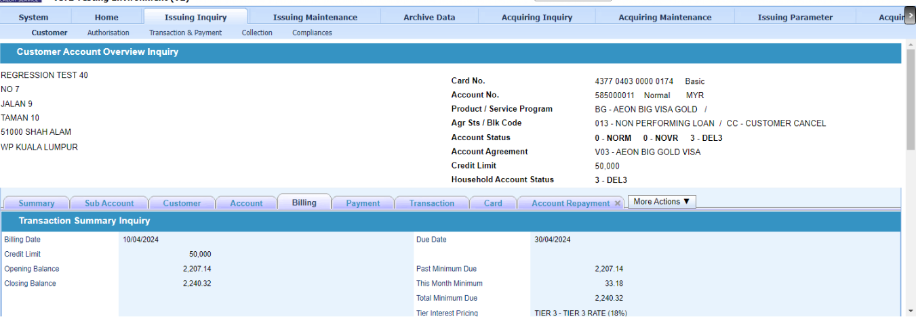

After 10/5 stmt eod
Min due = 1772.68 x 5% = 88.63 + past due 240.32 = 328.95

4377040300000182
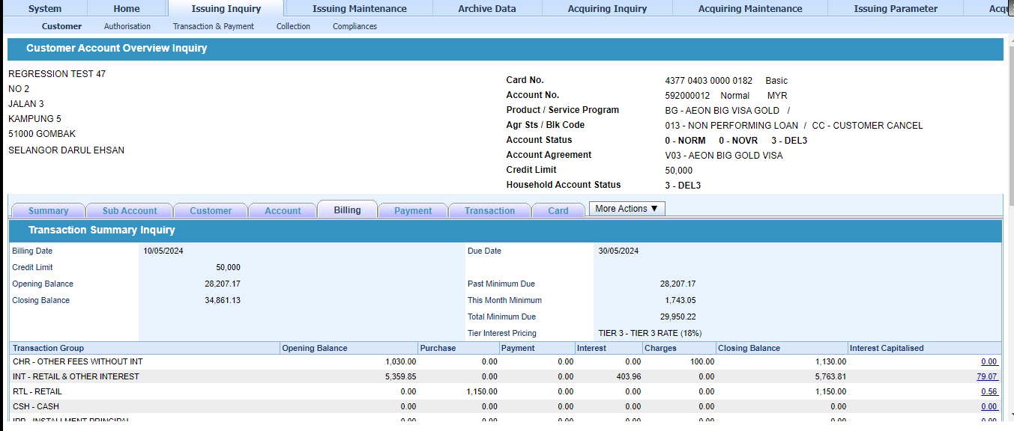
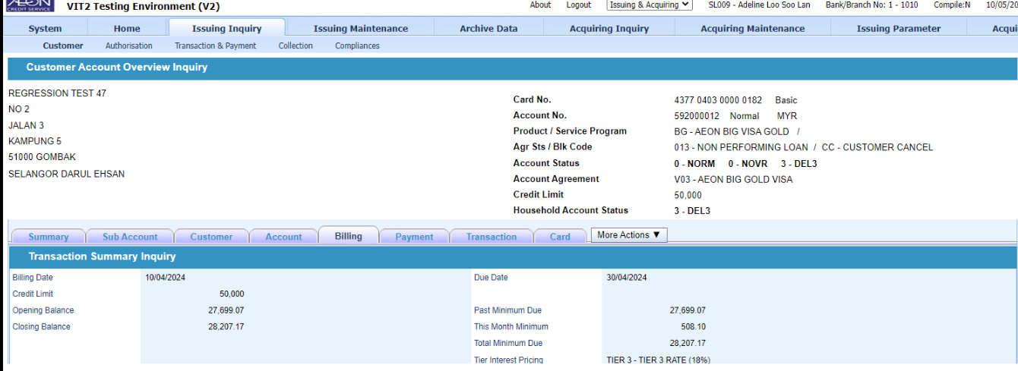

After 10/5 stmt eod
5% of(stmt balance - net debit adjustment) + net debit adjustment
Net debit adjustment = Total debit payment + last month credit balance
5% x 34861.13 = 1743.05 + past due 28207.17 = 29950.22

